Home
 |  | Jump to a Competitive Analysis Template

 |  | 1. | Two-Feature Competitive Landscape Chart
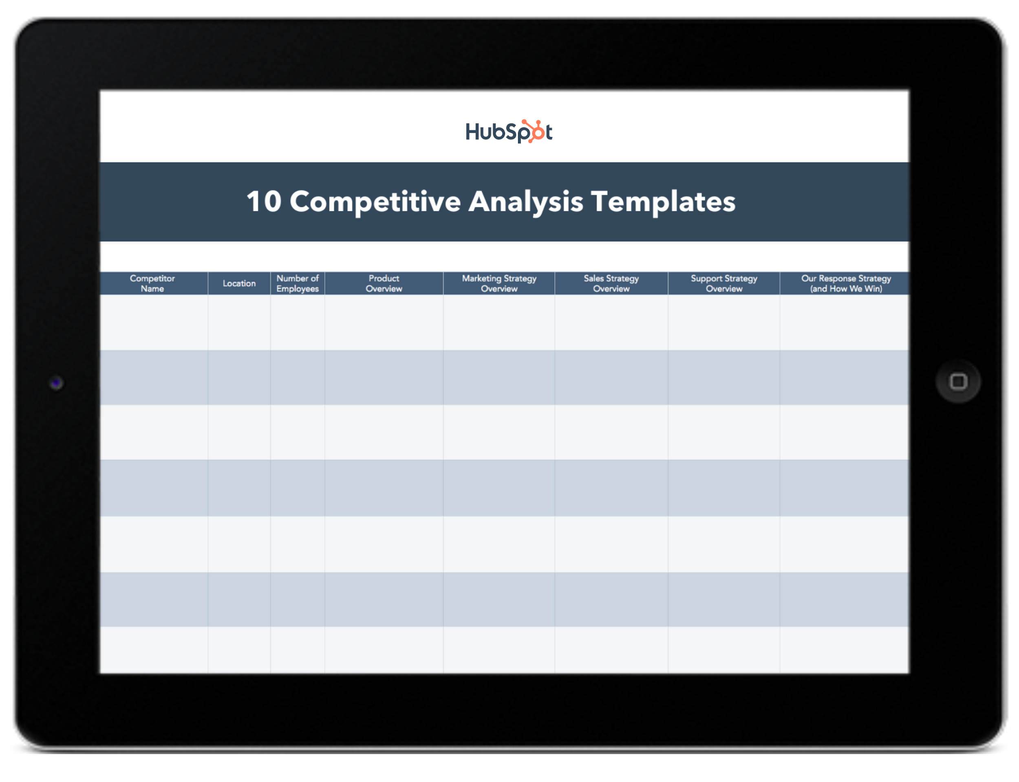
10 Competitive |  | 2. | You vs. Competitor Side-By-Side

 |  | 3. | Competitor Strategic Overview
Analysis Templates
 |  | 4. | Content Marketing Analysis Template

 |  | 5. | Competitor Battle Card

 |  | 6. | Multiple Competitor Feature Comparison

Learn More About Competitive Strategy from HubSpot Academy |  | 7. | Multiple Competitors Scoring Card

Take this free course to help you build a robust competitive positioning strategy. |  | 8. | SWOT Analysis Template

 | Get Started | 9. | Categorical Feature Comparison Template

 |  | 10. | Review Tracker

Two-Feature Competitive Landsca
 | Feature #1 |  | Also Available via Google Slides

Feature #2 |  | 
 |  |  | Instructions

 |  |  | 1) Select two factors that are important to your business and your market, such as "price and product features," or "customization and growth potential." 2) Delete the letters on the graph, which serve as logo placeholders to demonstrate what the final graph might look like. 3) Add in logos for your company and your competitors and place them on the graph according to how high or low they are on the graph for these criteria. For example, in the examples we placed, Company A would be high in Feature #1 and Feature #2, whereas Company E is low in both features.

Content Marketing Analysis Temp
Content Marketing Competitive Analysis

Social Media Followers
Social Media Followers | Facebook | Instagram | Twitter | YouTube | LinkedIn | Total Following
Your Company | 5,000 | 200 | 3,000 | 600 | 8,000 | 16,800
Competitor A | 2,500 | 400 | 5,000 | 200 | 6,000 | 14,100
Competitor B | 9,000 | 800 | 1,000 | 900 | 8,000 | 19,700
Competitor C | 200 | 1,000 | 1,000 | 800 | 4,000 | 7,000
Competitor D | 6,000 | 2,000 | 2,000 | 100 | 1,000 | 11,100

Blog/Content Strategy | Link to Blog |  | Link to Resource Library |  | Publishing Cadence
Your Company
Competitor A
Competitor B
Competitor C
Competitor D

SEO Strategy | Domain Authority | Alexa Traffic Rank | SimilarWeb Ranking |  | Number of Ranking Keywords
Your Company
Competitor A
Competitor B
Competitor C
Competitor D

Email Strategy | Link to Newletter Subscribe Homepage |  | Link to Newsletter Design |  | Audience Size (If Known)
Your Company
Competitor A
Competitor B
Competitor C
Competitor D

